Specify Project Requirements
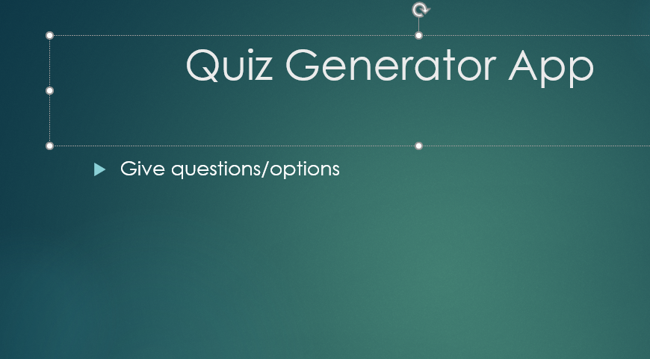
Project Requirements

S. No. | Requirement/ Feature | Completed
1 | analyzing the data

2 | Writing the code

3 | Testing the data

4 | fixing any errors if found

5 | Questions should make sense

6 | finished project

